Request for Quotation
SAVE THE CHILDREN |  |  |  |  |  | REQUEST FOR QUOTATION

Save the Children is an international Non-Governmental Organisation working to create lasting and positive change in the lives of children in need. We kindly request your best quotation for the below items. THIS IS NOT A PURCHASE ORDER. Should a purchase order be placed subsequent to this quotation, the terms and conditions of purchase on the back of this document will apply. Save the Children may, unless the supplier expressly stipulates to the contrary, accept whatever part of the offer that we so wish.

PR no(s): | PR407464 |  | Date Document sent out: | 02/01/2024
 |  |  | Date Bid Closes: | 03/01/2024
 |  |  | Procurement person responsible: | Waddah Essamuldeen Ali

SUPPLIER NAME: |  |  | RETURN RESPONSE TO:
Contact name |  |  | Name: |  | Waddah Essamuldeen
E-mail |  |  | Position: |  | Procurement Coordinator
Phone |  |  | E-mail: |  | waddah.essamuldeen@savethechidren.org
Fax |  |  | Phone: |  | 0900105134
Mobile |  |  | Address: |  | Hai Almatar, Portsudan, Sudan
Address

Date items required by: |  | 5 Days Lead Time
Delivery Location: |  | Damazine - Blue Nile State
Delivery method (if applicable): |  | DDP Incoterms
Payment terms: |  | 100% Payment After Delivery and within 30 days of submitting the final invoice

 |  |  | For Supplier to Fill In:
Line item no. | Description of Goods / Services | Unit / Form | Currency | Unit Price | Total Price | Lead Time
1 | Logitech H540 USB | Piece | SDG | 25
2 | Toner 59A original | Piece | SDG | 5
3 | Scanner 7500 | Piece | SDG | 2
4 | 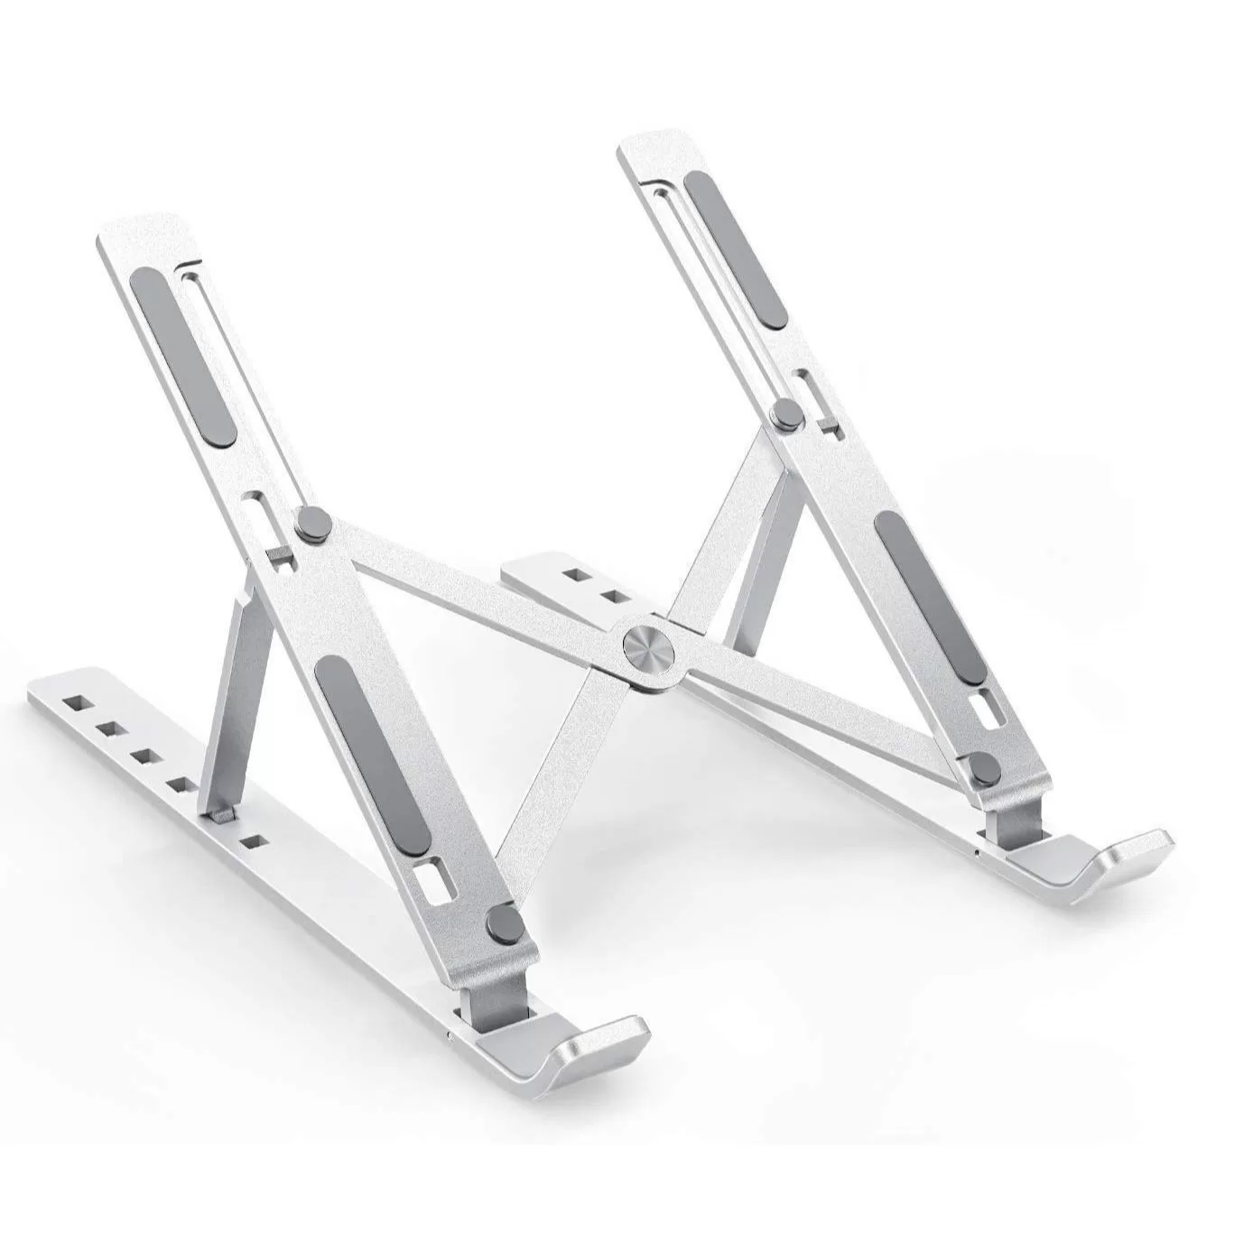 Laptop stand | Piece | SDG | 25
5 | Handboss Universal Foam Cleaning Agent | Piece | SDG | 10
6 | USB Hubs - Tragus 4 port | Piece | SDG | 5
7 | canon CanoScan LiDE 120 | Piece | SDG | 3
8 | Tranporation to Blue Nile -Damazine | Job | SDG | 1
Add more lines to the RFQ if required |  |  |  | Subtotal
 |  |  |  | Sales tax (if applicable)
 |  |  |  | Delivery charge (if applicable)
 |  |  |  | Other charges (if applicable)
Additional information required from supplier: |  |  |  | TOTAL
[1] Quote validity period
[2] One Year Warranty

Supplier confirmation of offer
Name
Title
Signature

